Application Screen
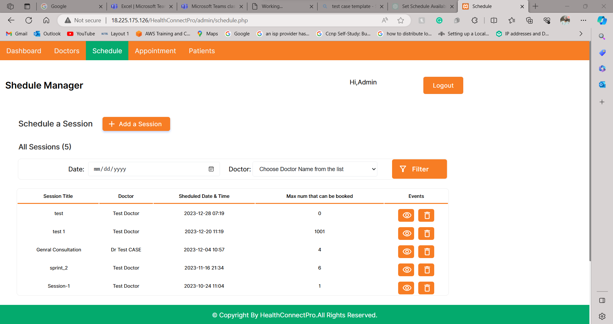

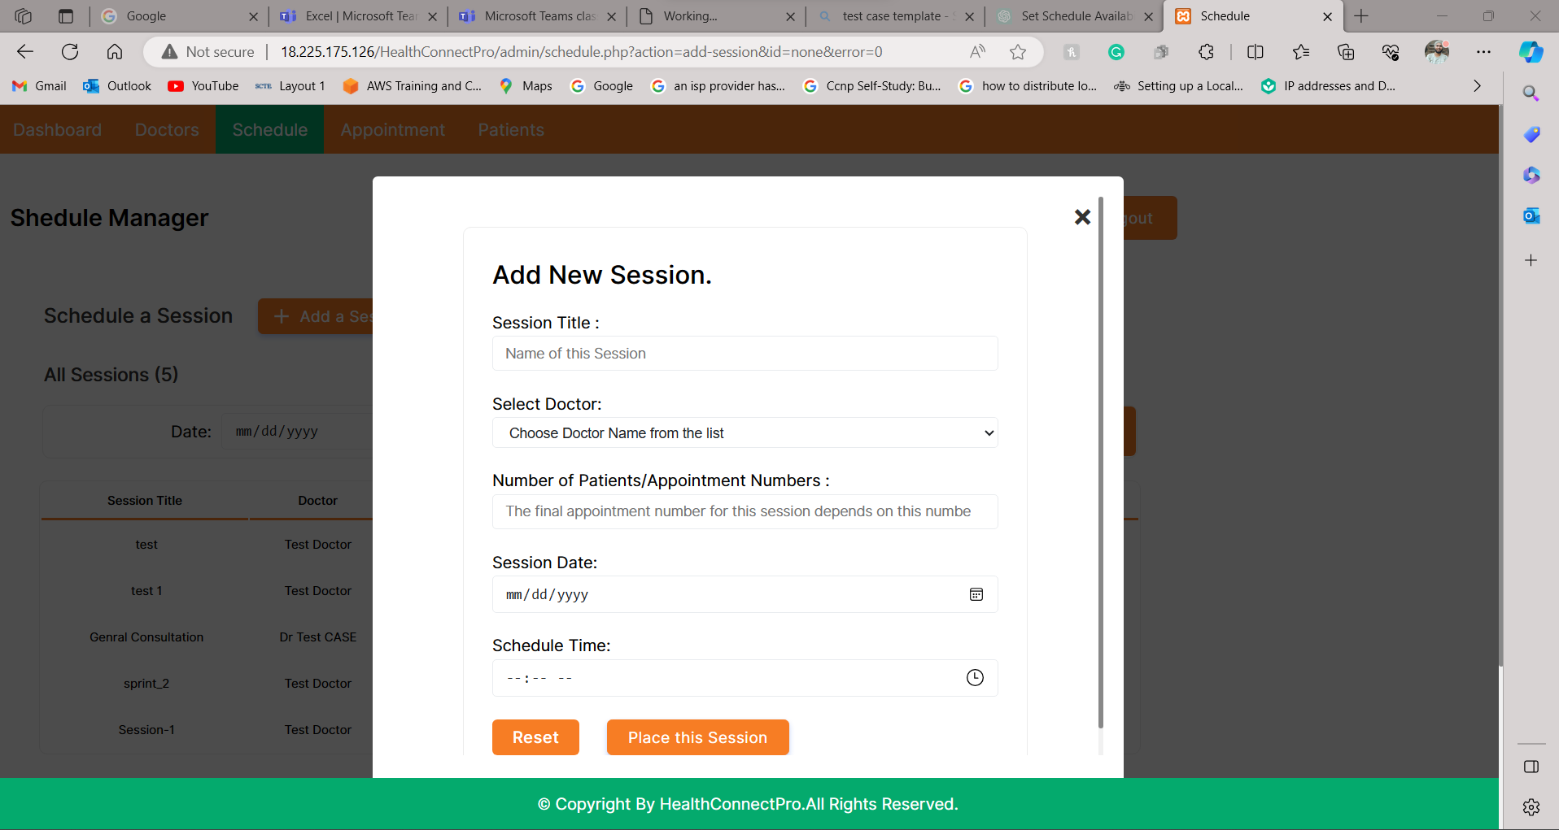

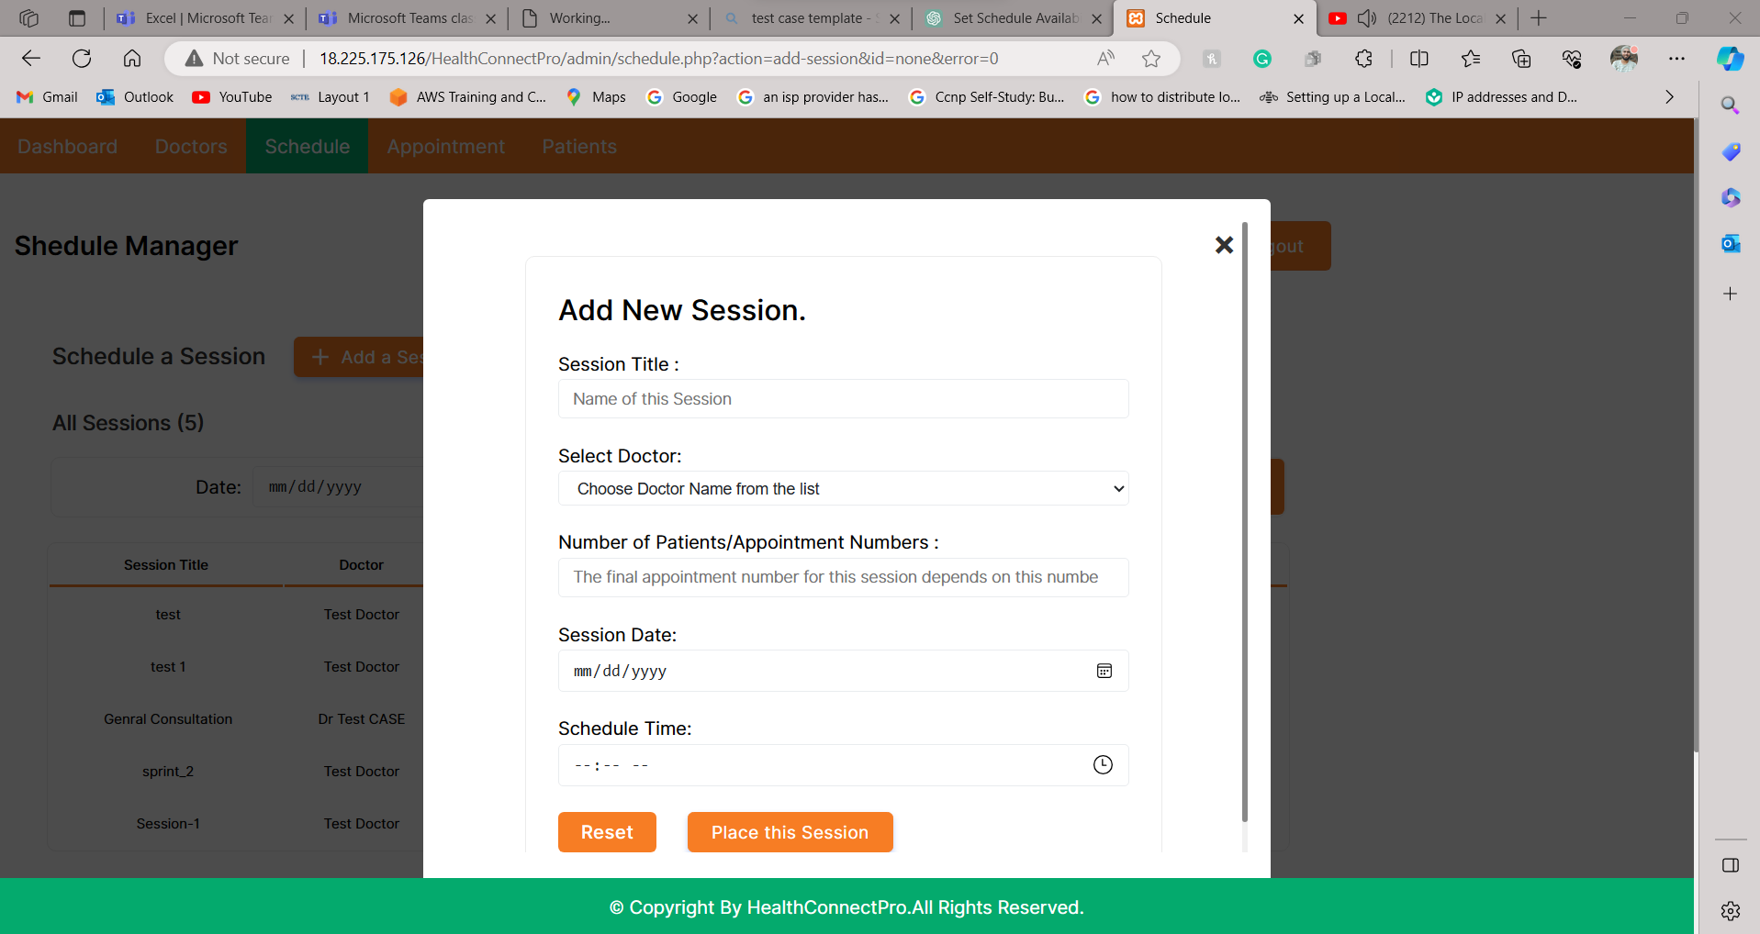

TC4
Test Case: 5
TC Title: | Set Schedule availability - Data Flow In
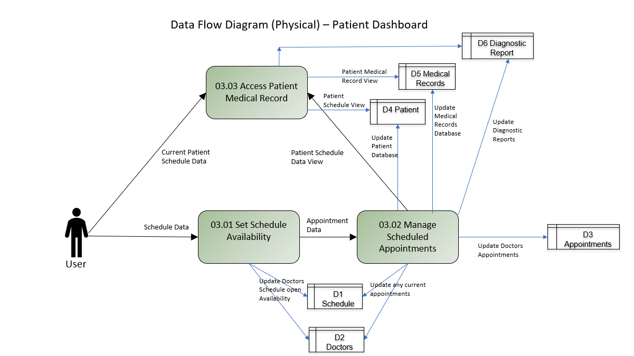
TC Objective: | Validate secure admin user authentication, efficient data retrieval, accurate access logging, concurrent access management, and secure logout from the patient and admin portal in the process.

TC Description | Step | Step Description | Expected Results
 | 1 | Log in to the admin's dashboard using valid credentials. | Successful authentication, providing access to the admins's dashboard.
 | 2 | Visible all the Schedules in tabular form. | Schedule
 | 3 | Add Session data to be visible to patient side portal in real time. | As soon as the schedule is set for a doctor by admin it should be visible and available to the patient side portal simultaneously.
 | 4 | Log out securely from the admin's dashboard. | Successful logout, terminating the active session and preventing unauthorized access to patient records.

